Result
 | Result of Calibration

 |  | Certificate No. : |  |  |  | SPR16010015 |  |  |  |  |  |  |  |  |  | Page : 3 of 3
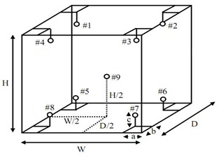

 | Humidity Accuracy in the Measurement Zone. |  |  |  |  |  |  |  |  |  |  |  |  |  | Unit : |  | %RH
 | UUC Setting |  | Standard Reading @ Data Logger No. (Data Logger No. 9 is REF.)
 |  |  |  |  |  |  |  |  |  |  |  |  |  |  |  | Uncertainty
 |  |  | # 1 |  | # 2 | # 3 | # 4 | # 5 |  | # 6 |  | # 7 | # 8 | # 9 |  |  | (±)
 | 70.0 |  | 71.0 |  | 71.0 | 71.0 | 71.0 | 71.0 |  | 71.0 |  | 71.0 | 71.0 | 71.0 |  | 3.3

 | Temperature Accuracy in the Measurement Zone. |  |  |  |  |  |  |  |  |  |  |  |  |  |  | Unit : |  | °C
 | UUC Setting |  | Standard Reading @ Data Logger No. (Data Logger No. 9 is REF.)
 |  |  |  |  |  |  |  |  |  |  |  |  |  |  |  | Uncertainty
 |  |  | # 1 |  | # 2 | # 3 | # 4 | # 5 |  | # 6 |  | # 7 | # 8 | # 9 |  |  | (±)
 | 20.0 |  | 20.1 |  | 20.1 | 20.1 | 20.1 | 20.1 |  | 20.1 |  | 20.1 | 20.1 | 20.1 |  | 0.6

 | Humidaty Uniformity, Stability |  |  |  |  |  |  | Unit : |  | %RH
 | UUC Setting |  |  | UUC Reading |  | Humidity Stability |  | Humidity Uniformity

 | 70.0 |  |  | 70.0 |  | 0.00 |  | 0.00

 | Temperature Uniformity, Stability |  |  |  |  |  |  |  | Unit : |  | °C
 | UUC Setting |  |  | UUC Reading |  | Temperature Stability |  | Temperature Uniformity

 | 20.0 |  |  | 20.0 |  | 0.00 |  | 0.00

 | Measurement Uncertainty
 |  | The reported uncertainty of measurement is the expanded uncertainty obtained by multiplying the
 | standard uncertainty with the coverage factor k = 2.00, providing a level of confidence approximately 95 %
- End of Certificate -

